Hiearchy View
CLASS: MAST ARM
the horizontal arm that attaches the light fixture or traffic signal fixtures to the streetlight pole or traffic signal pole |  | 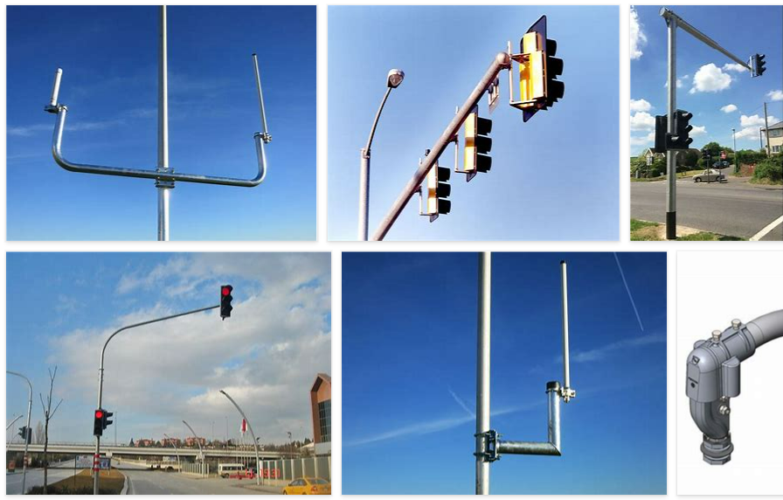
REMOVE | N

PROBLEM_DESC | CAUSE_DESC | REMEDY_DESC
BROKEN/DAMAGED
LIGHTING
OTHER PROBLEM
OVERHEATING
PESTS
POWER-ELEC
STOPPED/SLOWED/POOR OPS
TEMP-CTRL
VIBRATION
Grand Total

